Z8925
Item Description | Qty | Retail Value | Amount | UPC
GELBEE FLURRY - HAND BLASTER W/ RECHARGEABLE BATTERY - INCLUDES 1000 BB'S | 1000 | $29.99 | $29,990.00 | 028478154575 | 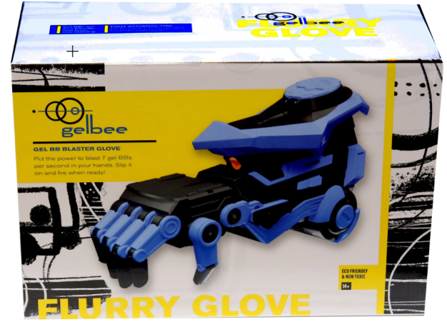
GELBEE STINGER - PISTOL W/ RECHARGEABLE BATTERY -INCLUDES 1000 BB'S | 3000 | $24.99 | $74,970.00 | 028478154599 | 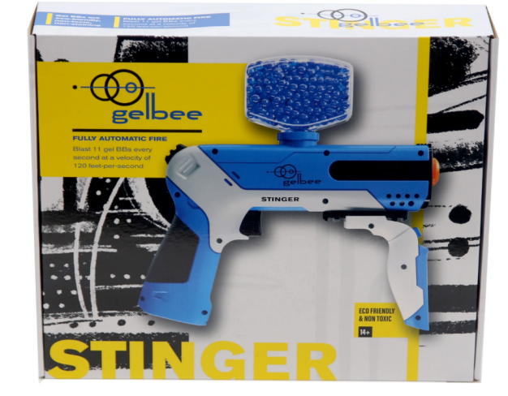
GELBEE BLUE 20,000 CT BB'S IN RESEALABLE PACKAGE | 3500 | $12.99 | $45,465.00 | 028478154629 | 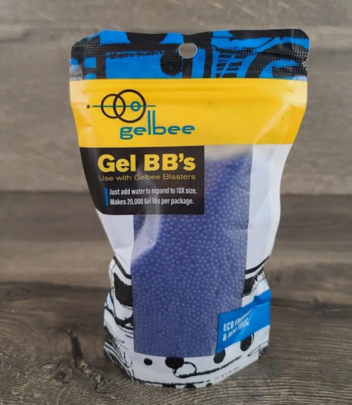
GELBEE GELNADE 2PACK - INCLUDES 1000 BB'S | 11,122 | $19.99 | $222,328.78 | 028478154773 | 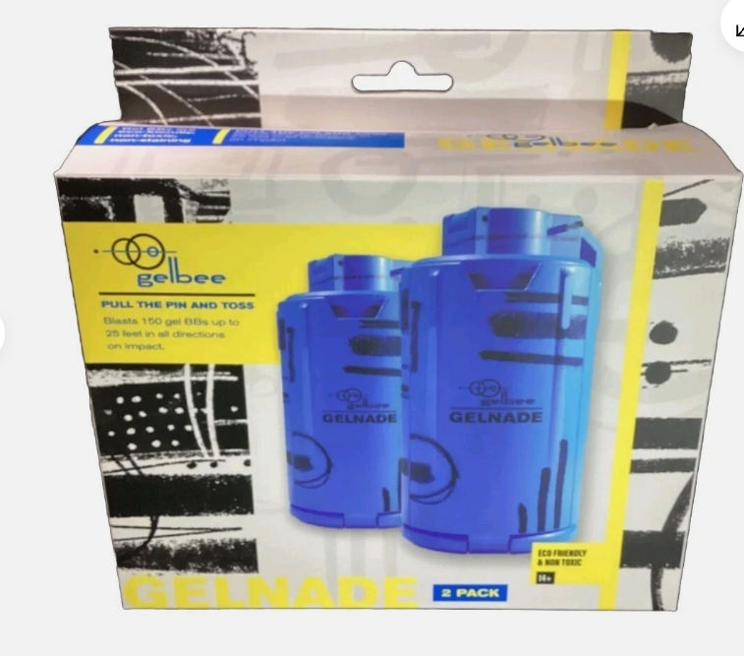
TOTAL | 18622

